0294 pair side by side
0294 pair side by side | Tio Cash Master 0290 Wildcard Pairs
 | *fam01 | *fam29
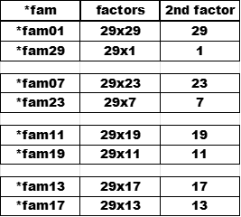

 | *fam07 | *fam23

 | *fam11 | *fam19
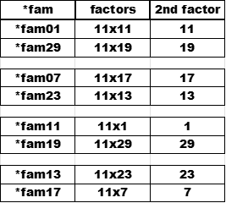
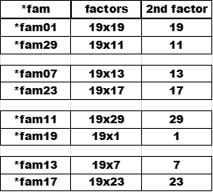

 | *fam13 | *fam17

0295 pair 01 29 march
0295 pair 01 29 march | Tio Cash Master 0290 Wildcard Pairs
 | *fam01 | *fam29
1

 | *fam07 | *fam23

2

 | *fam11 | *fam19

3

 | *fam13 | *fam17

43

0296 pair 07 23 march
0296 pair 07 23 march | Tio Cash Master 0290 Wildcard Pairs
 | *fam01 | *fam29

2

 | *fam07 | *fam23

3

 | *fam11 | *fam19

43

 | *fam13 | *fam17
1

0297 pair 11 19 march
0297 pair 11 19 march | Tio Cash Master 0290 Wildcard Pairs
 | *fam01 | *fam29

3

 | *fam07 | *fam23

43

 | *fam11 | *fam19
1

 | *fam13 | *fam17

2

0298 pair 13 17 march
0298 pair 13 17 march | Tio Cash Master 0290 Wildcard Pairs
 | *fam01 | *fam29

43

 | *fam07 | *fam23
1

 | *fam11 | *fam19

2

 | *fam13 | *fam17

3

0301 pair diff 10
0301 pair diff 10 | Tio Cash Master 0290 Wildcard Pairs

 | *fam01 | *fam11 | *fam13 | *fam23
+10
-10
+10
-10

+10
-10
+10
-10

-10
+10
-10
+10

+10
+1000000000
-10
-10

 | *fam07 | *fam17 | *fam19 | *fam29
+10
-10
+10
-10

+10
-10
+10
-10

-10
+10
-10
+10

+10
+10
-10
-10

0302 pair diff 10 flip
0302 pair diff 10 flip | Tio Cash Master 0290 Wildcard Pairs

 | *fam01 | *fam11 |  | *fam13 | *fam23
+10
-10
+10
-10
s 1 3 |  |  | s 1 3
+10
-10
+10
-10
f 2 4 |  |  | f 2 4
-10
+10
-10
+10
s 3 1 |  |  | s 3 1
+10
+1000000000
-10
-10
f 4 2 |  |  | f 4 2

 | *fam07 | *fam17 |  | *fam19 | *fam29
+10
-10
+10
-10
s 1 3 |  |  | s 1 3
+10
-10
+10
-10
f 2 4 |  |  | f 2 4
-10
+10
-10
+10
s 3 1 |  |  | s 3 1
+10
+10
-10
-10
f 4 2 |  |  | f 4 2

